QA
Website page | Issue description | Link to the page | Comments | Added by
Content download UX | When a user downloads from the form at the bottom of the page the next steps are not clear. | https://anthillagency-my.sharepoint.com/:p:/g/personal/tlu_anthill_technology/EWbUgVkxTk9IuboI9BHhTcQBAEe7vBrgxkrSpQx_Q07zmw?e=Nxmodt | Link to the file with the description | Tanya
Recruitment page | Rasmus Blom was asking about the recruitment page on our website. Should we have it? |  |  | Tanya
General page sections | Our guides (and other pages) used to be structured in sections and used to link between each other to specific sections within different pages (for a longer customer journey on the page). For example the section "benefits of eDetailing" has a paragraph with "consistent experience" that includes a (see below) link which is supposed to send to "compelling storytelling section" but now it just sends the user to the top of the page. However, sometimes these types of links could be made to take the user in other guides sections too, but they just send to the beginning of those guides and not to the specific setions they are actually intended for (for example in the Self-detailing guide part "role in omnichannle marketing - "pharma channel ecosystem" link should send to the specfic "understanding pharma channels" section in the pharma digital marketing guide) | https://www.anthill.technology/insight/pharma-marketing-guide#understanding-pharma-digital-marketing-platforms | How do we create CMS page sections that we can link in many places? Does it have to do with the table of contents page sections on the left side of each page? | Lavi
Copy to clipboard option | The copy to clipboard option looks like it's copied but in fact it doesn't paste anything when you try it |  |  | Lavi
Anthill Cloud | Book demo section at the end of the page doesn’t work |  |  | Lavi
"Anthill Agency" still popping up in Google results even though it shows new website name (see screenshot on the right hand-side) |  |  | Is there anything we can do ourselves in webflow about it or what do you recommend? | Lavi
Activator/ Arcane/ Amplify | Book demo on different pages works trough contact us form and on any page you can choose reason for inquiry Arcane/Activator/Amplify which is not shown by default Activator page - activator reason, it could be Activator page - Arcane or any other. |  |  |  | 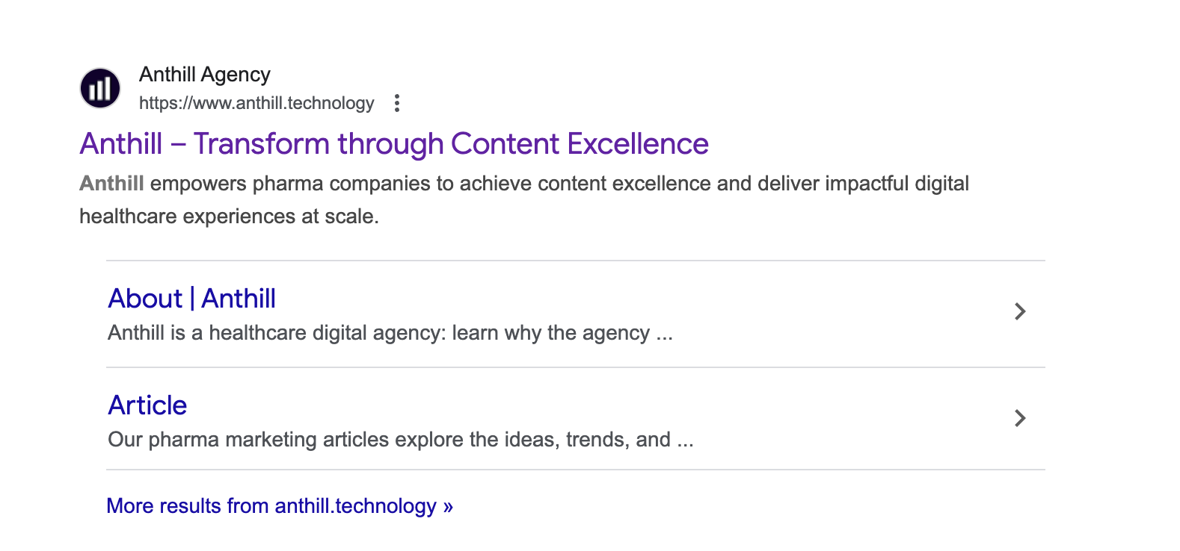
Website health | 6 pages have slow load speed | https://anthill.technology/insight/approved-email-guide
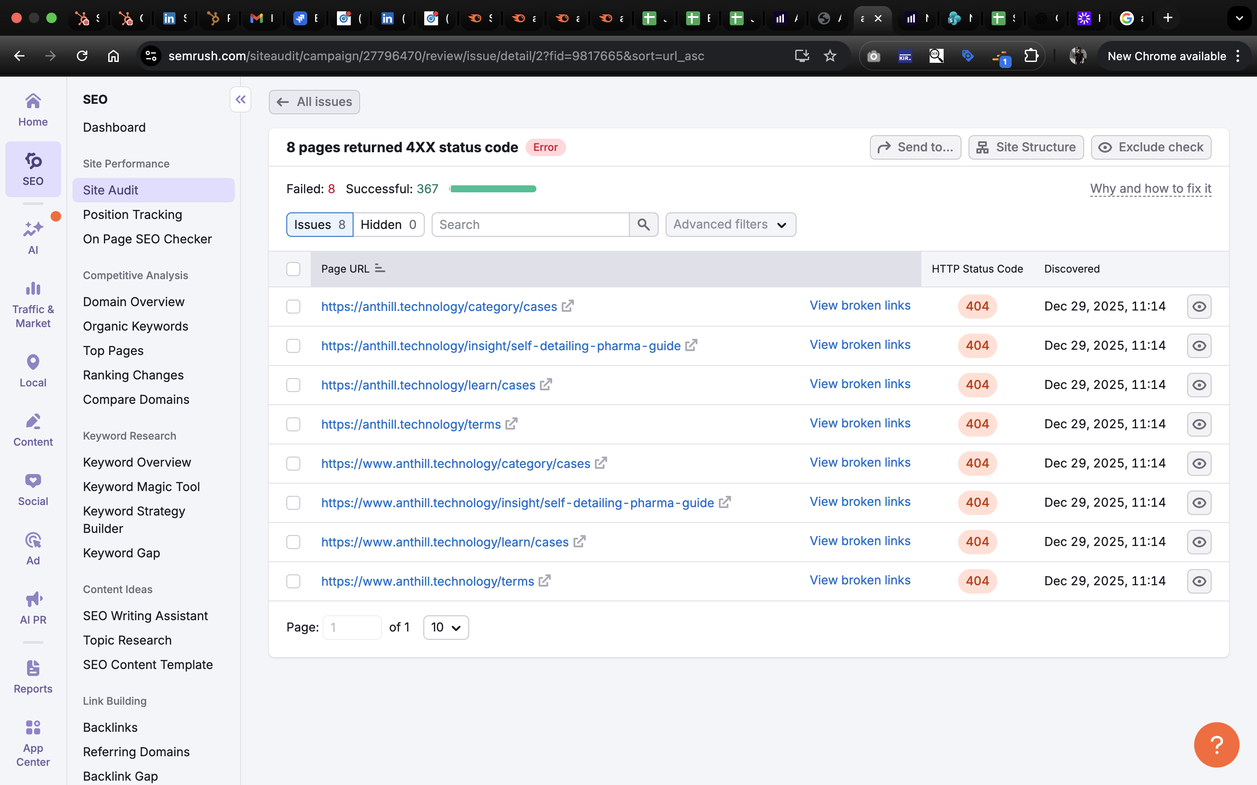
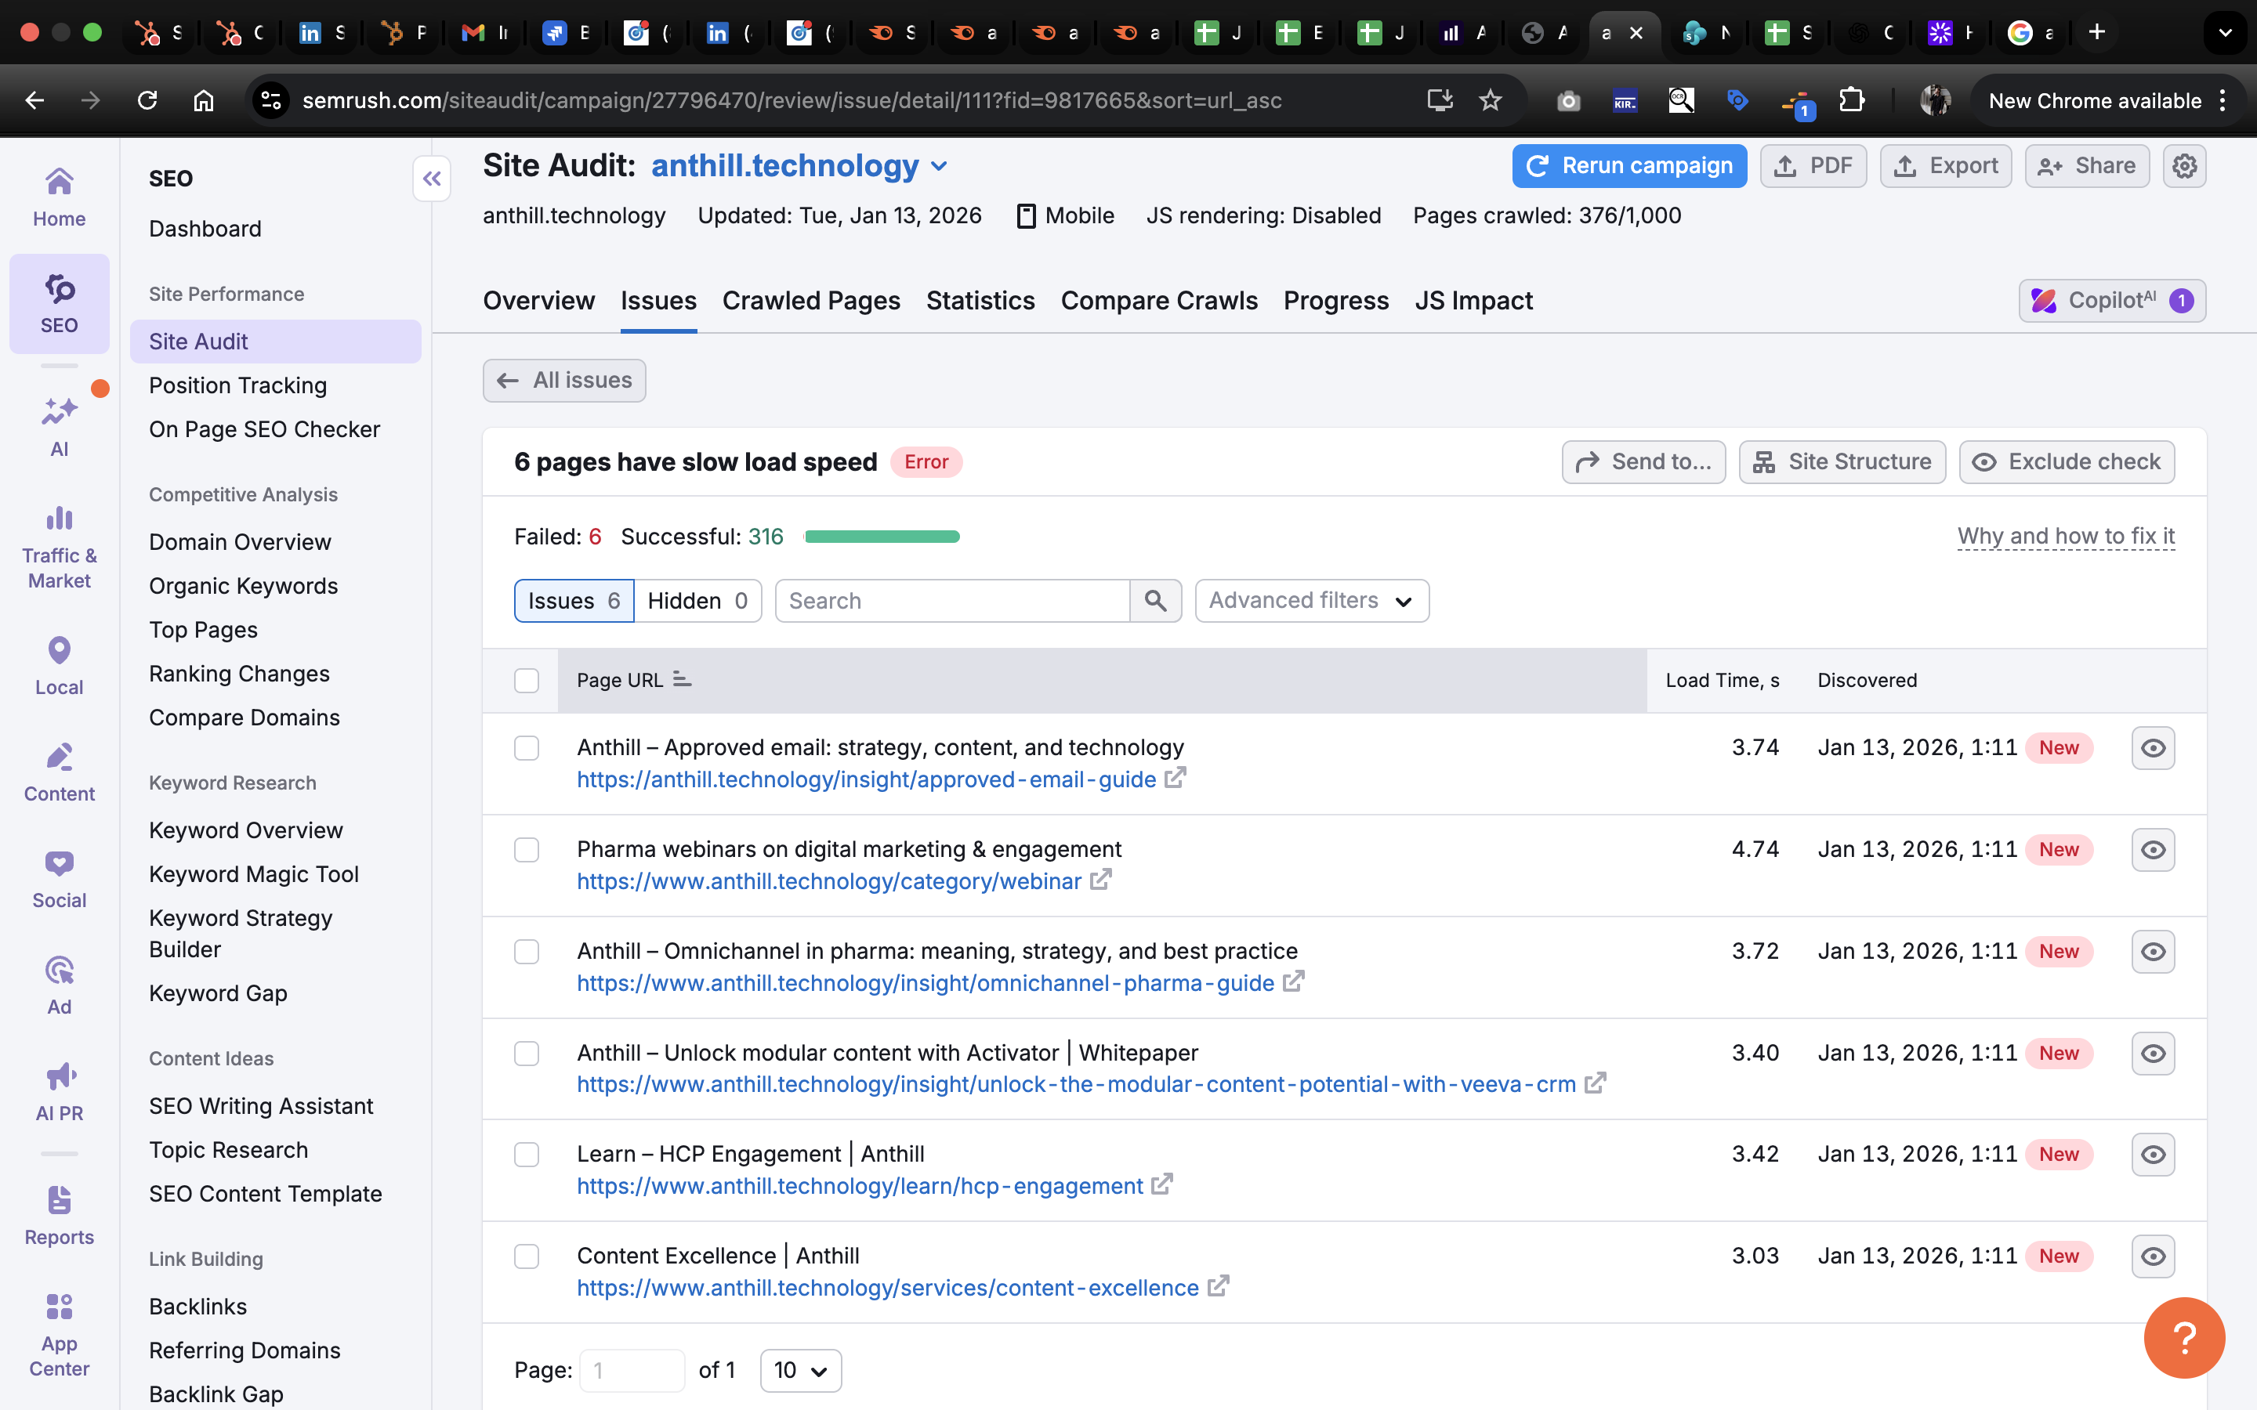
 |  | https://www.anthill.technology/category/webinar
 |  | https://www.anthill.technology/insight/omnichannel-pharma-guide
 |  | https://www.anthill.technology/insight/unlock-the-modular-content-potential-with-veeva-crm
 |  | https://www.anthill.technology/learn/hcp-engagement
 |  | https://www.anthill.technology/services/content-excellence
 | 8 pages returned 4XX status code | https://anthill.technology/category/cases
 |  | https://anthill.technology/insight/self-detailing-pharma-guide
 |  | https://anthill.technology/learn/cases
 |  | https://anthill.technology/terms
 |  | https://www.anthill.technology/category/cases
 |  | https://www.anthill.technology/learn/cases
 |  | https://www.anthill.technology/terms
 |  | https://www.anthill.technology/insight/self-detailing-pharma-guide

